Industry_Meta_Data
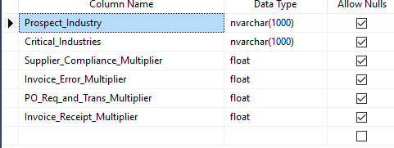
Prospect_Industry | Critical_Industries | Supplier_Compliance_Multiplier | Invoice_Error_Multiplier | PO_Req_and_Trans_Multiplier | Invoice_Receipt_Multiplier
Materials |  | 0.0792 | 0.035 | 0.00091 | 0.00017
Industrials |  | 0.0792 | 0.035 | 0.00091 | 0.00017
Consumer Discretionary |  | 0.0792 | 0.035 | 0.00091 | 0.00017
Consumer Staples | Food and Staples Retailing, Food Products, Distributors | 0.0792 | 0.035 | 0.00091 | 0.00017
Healthcare | Chemicals,Containers and Packaging,Pharmaceuticals | 0.0792 | 0.035 | 0.00091 | 0.00017
Financials |  | 0.0792 | 0.035 | 0.00091 | 0.00017
Information Technology |  | 0.0792 | 0.035 | 0.00091 | 0.00017
Telecommunication Services |  | 0.0792 | 0.035 | 0.00091 | 0.00017
Utilities |  | 0.0792 | 0.035 | 0.00091 | 0.00017
Real Estate |  | 0.0792 | 0.035 | 0.00091 | 0.00017

